Detailed
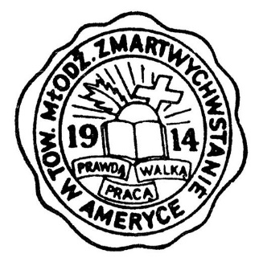
HOLY NAME OF JESUS NCC YMSofR
Winter Clothing Drive

1. Fill out forms with the items you are donating. If an item does not fit a category, just note what it is on the lines shown below.
2. Bring the completed form to church and give to Larry or Paul.
3. Deliver the clothes to the charity of your choice. If you are unable to deliver, contact Paul Zawistowski for other arrangements. The intention is not to collect large amounts of clothing in the church hall.

Name (optional)
Date

Total Items | 0 |  | Total Points |  | 0

 | ITEMS DONATED

Items (pts.) | Number of items donated | Points earned |  | Items (pts.) | Number of items donated | Points earned

Blankets (5) |  | 0 |  | Shirts/blouses (5) |  | 0
Boots (10) |  | 0 |  | Shoes/sneakers (5) |  | 0
Coats (25) |  | 0 |  | Shorts (5) |  | 0
Dresses (10) |  | 0 |  | Skirts (10) |  | 0
Gloves (5) |  | 0 |  | Socks (1/pair) |  | 0
Kids pants (5) |  | 0 |  | Suits (5) |  | 0
Light Jackets (20) |  | 0 |  | Sweaters (15) |  | 0
Linens (2) |  | 0 |  | Sweatshirts (15) |  | 0
Monetary (1/$) |  | 0 |  | T-shirts (5) |  | 0
Pajamas (10) |  | 0 |  | Towels (2) |  | 0
Pants (10) |  | 0 |  | Undershirts (1) |  | 0
Robes (10) |  | 0 |  | Underwear (1) |  | 0
Scarves (5) |  | 0 |  | Winter Hats (5) |  | 0

Sub-totals | 0 | 0 |  |  | 0 | 0

Other (specify)

